1.1_Receive Requirements
Engineering Information
To | Project Manager , Team Leader |  |  |  |  |  |  |  | Date | 1-Dec-23
Cc | Project Team |  |  |  |  |  |  |  | PIC | Ahmed Yasser
Re | LCD Receive Requirements

 | Block Diagram
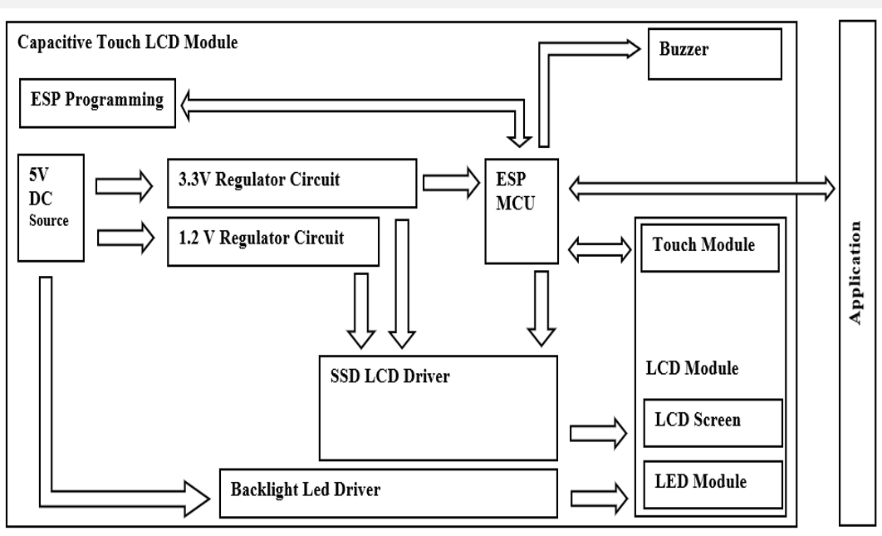
 | I/P |  |  | HAL |  | I/P |  | HAL |  | O/P

 |  |  |  |  |  | Processing

 |  |  |  |  |  | O/P

 | Pin Assignment
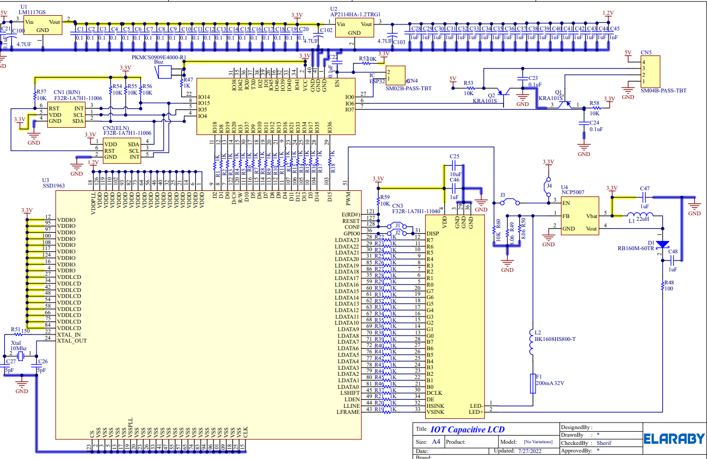
 |  |  |  | 1 | P40/Tool0 | P120/AN19 | 32
 |  | x |  | 2 | RESET | P0/INT8/AN17 | 31
 |  |  |  | 3 | P137/INT0 | P1/INT10/AN16 | 30
 |  |  |  | 4 | P122/X2 | P20/AN0 | 29
 |  |  |  | 5 | P121/X1 | P21/AN1 | 28
 |  | x |  | 6 | REGC | P22/AN2 | 27
 |  | GND |  | 7 | VSS | P23/AN3 | 26
 |  | 3.3 Volt |  | 8 | VDD | P147/AN18 | 25
 |  |  |  | 9 | P31/INT4 | P10/AN20 | 24
 |  |  |  | 10 | P74 | P11/AN21 | 23
 |  |  |  | 11 | P73 | P12/AN22 | 22
 |  |  |  | 12 | P72/INT7 | P13/AN23 | 21
 |  |  |  | 13 | P70/INT6 | P14/AN24 | 20
 |  |  |  | 14 | P30/INT3 | P15 | 19
 |  |  |  | 15 | P50/INT1 | P16/RX0 | 18
 |  |  |  | 16 | P51/INT2 | P17/TX0 | 17
 |  |  |  |  | Renesas
 |  |  |  |  | R5F11BBCAFP
 | BOM
 | Material |  | Description |  |  | Maker | Maker PN |  | Supplier |  | MCU Pin

 | System_State_Machine
 | 1_State_Machine\State_Machine.vsdx

